Cover
Reference: WCO Data Model
Version: 3.11.0.dev.qa.final
Author: WCO
Date: 2021


WCO Data Model version 3.11.0.dev.qa.final
Information Packages
LPCO
Created by S. Bootsma

Copyright © 2021 World Customs Organization.
All rights reserved. Requests and inquiries concerning translation, reproduction and adaptation rights should be addressed to copyright@wcoomd.org.

Intro Derived IPs
1 CITES e-Permit
2.1 Introduction
The CITES electronic permitting toolkit includes a mapping to the WCO Data Model (version 3). The WCO Data Model Derived Information Package is not published by the WCO, but is instead included in the toolkit package. This package is available on the CITES website:
https://cites.org/sites/default/files/eng/prog/e/cites_e-toolkit_v2.pdf

2 EU Certificate of Origin
2.1 Introduction
The European Community Certificate of Origin is a document which identifies the origin of goods being exported and is normally issued by a Chamber of Commerce. It is required by customs in the buyers country to determine tariff rates.

For further information see:
http://ec.europa.eu/taxation_customs/resources/documents/customs/customs_duties/rules_origin/preferential/annex_17_en.pdf

For UML Diagram see Section 3.2 (UmlDiagrams (html))

3 TIR - Guarantee Operation
3.1 Introduction
The Customs Convention on the International Transport of Goods under Cover of TIR Carnets (TIR Convention, 1975) is one of the most successful international transport conventions and is so far the only universal Customs transit system in existence. To date, it has 68 Contracting Parties, including the European Union. It covers the whole of Europe and reaches out to North Africa and the Near and Middle East. More than 35,000 operators are authorized to use the TIR system and around 3 million TIR transports are carried out per year.

For the transport of goods under the TIR Convention a guarantee is always needed.

For further information see: http://www.unece.org/tir/welcome.html and https://www.unece.org/fileadmin/DAM/tir/seminar/dushanbe/TIR_guarantee_chain_guarantee_levels_Eng.pdf

For UML Diagram see Section 3.2 (UmlDiagrams (html))

4 Asean Trade In Goods Agreement - Certificate of Origin
4.1 Introduction
ASEAN means the Association of Southeast Asian Nations, which comprises Brunei Darussalam, the Kingdom of Cambodia, the Republic of Indonesia, Lao PDR, Malaysia, the Union of Myanmar, the Republic of the Philippines, the Republic of Singapore, the Kingdom of Thailand and the Socialist Republic of Viet Nam.
This Derived Information Package describes the WCO Data Model structure to be used for a Certificate of Origin. If it is claimed that goods shall be accepted as eligible for preferential tariff treatment it shall be supported by a Certificate of Origin issued by a Government authority designated by the exporting Member State and notified to the other Member States in accordance with the Operational Certification Procedures.

For UML Diagram see Section 3.2 (UmlDiagrams (html))

4.2 Certificate (Form D)
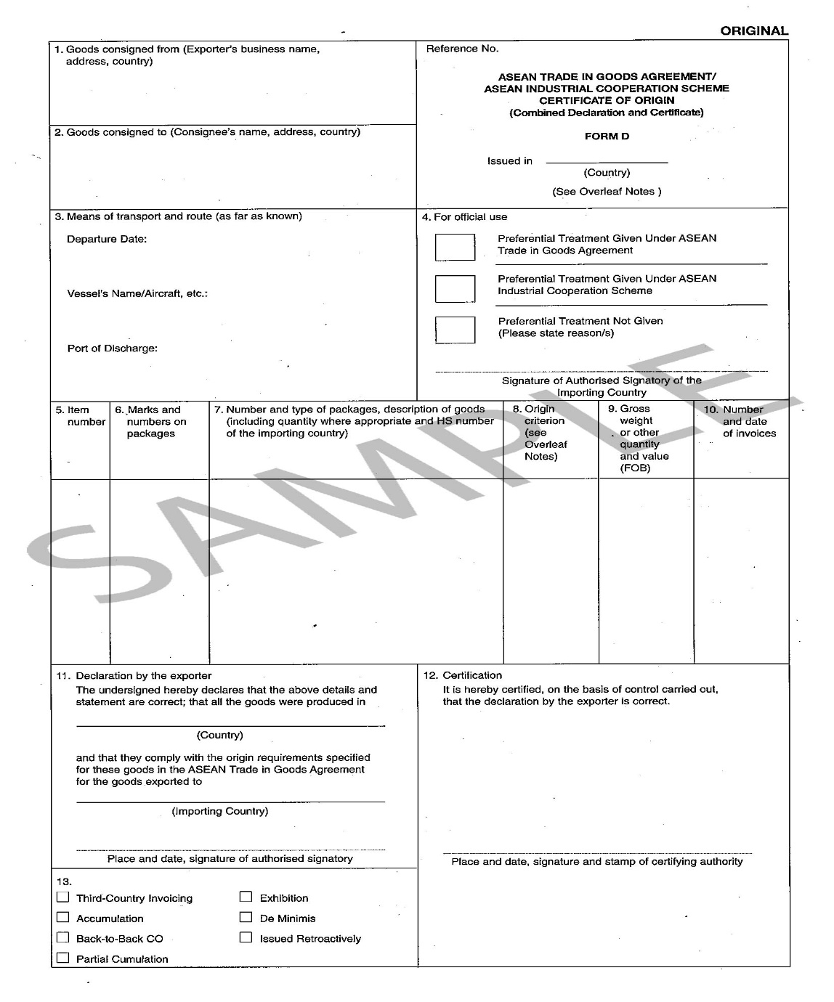

5 TIR - Certificate of Approval of a Road Vehicle structure
5.1 Introduction
The Customs Convention on the International Transport of Goods under Cover of TIR Carnets (TIR Convention, 1975) is one of the most successful international transport conventions and is so far the only universal Customs transit system in existence. To date, it has 68 Contracting Parties, including the European Union. It covers the whole of Europe and reaches out to North Africa and the Near and Middle East. More than 35,000 operators are authorized to use the TIR system and around 3 million TIR transports are carried out per year.
In order to fall within the provisions of the convention, every road vehicle must as regards its construction and equipment fulfil certain conditions and must have been approved according to the procedure laid down in Annex 3 hereto.

For further information see:
http://eur-lex.europa.eu/legal-content/EN/TXT/?uri=CELEX%3A21975A1114(01)

For UML Diagram see Section 3.2 (UmlDiagrams (html))

6 Certificate of Conformity with the European Union Marketing Standards for Fresh Fruit and Vegetables
6.1 Introduction
In case of exports of fruits and vegetables to third countries from the EU, traders are obliged to proof that the products are conform to the standards. Member States must ensure it is the case and certify conformity, in accordance with the Geneva Protocol on standardisation of fresh fruit and vegetables and dry and dried fruit concluded within the United Nations Economical Commission for Europe and the OECD scheme for the application of international standards for fruit and vegetables.

This Derived Information Package describes the WCO Data Model structure of the Certificate of Conformity.

For further information see:
http://www.nda.agric.za/docs/plantquality/EC%20regulation/R1148-01-en.pdf

For UML Diagram see Section 3.2 (UmlDiagrams (html))

7 Codex – General Model Official Certificate
7.1 Introduction
The CODEX ALIMENTARIUS international food standards, guidelines and codes of practice contribute to the safety, quality and fairness of this international food trade.
Importing country authorities may, as a condition of clearance of consignments, require importers to present certification issued by, or with the authority of, exporting country authorities.
This Derived Information Package describes the WCO Data Model structure of the Certificates that should contain essential information relating to food safety and the facilitation of trade.

For further information see:
http://www.fao.org/fao-who-codexalimentarius/standards/list-of-standards/en/

For UML Diagram see Section 3.2 (UmlDiagrams (html))

8 Phytosanitary Certificate for Export
8.1 Introduction
This Derived Information Package describes the WCO Data Model structure to be used in case of Phytosanitary certificates that are issued to indicate that consignments of plants, plant products or other regulated articles meet specified phytosanitary import requirements.

For further information see:
http://www.worldagroforestry.org/products/grunew/downloads/FAOPhytosanitaryCertificateGuidelines.pdf

For UML Diagram see Section 3.2 (UmlDiagrams (html))

9 UNESCO-WCO model export certificate for cultural objects
9.1 Introduction
The Model Export Certificate for Cultural Objects was jointly prepared by the Secretariats of the United Nations Educational, Scientific and Cultural Organization (UNESCO) and the World Customs Organization (WCO), cooperating to combat illicit trafficking in cultural property. It is specially adapted to the increasing phenomenon of cross border movements of the cultural objects.

For further information see:
http://unesdoc.unesco.org/images/0013/001396/139620E.pdf

For UML Diagram see Section 3.2 (UmlDiagrams (html))

10 eATA
10.1 Introduction
eATA is the electronic form of an ATA carnet.

To dematerialize ATA carnets which are widely used for temporary admission procedures, the eATA Working Group was established in the WCO. The Administrative Committee of Istanbul Convention recommended the amendment to the Convention to introduce “electronic ATA carnets”.

For further information see:
http://www.wcoomd.org/en/topics/facilitation/instrument-and-tools/conventions/pf_ata_system_conven.aspx

For UML Diagram see Section 3.2 (UmlDiagrams (html))

11 OIE Model Veterinary Certificate for International Trade Structure
11.1 Introduction
The OIE is the intergovernmental organisation responsible for improving animal health worldwide.

International trade in foods of animal origin presents particular risks to importing countries because of the microbiological and chemical hazards that such foods may contain and the possible threat to the animal health status of the importing country that might arise from any differences in animal health status between importing and exporting countries. Each importing country has the right to protect both its animal health status and the health of its inhabitants by the imposition of specific import requirements, but these must be fair and justifiable. Official veterinary certification for food of animal origin is required for most international trade and for all exports to the EU from countries outside the EU [third countries] to demonstrate that all import conditions have been met.

For further information see:
http://web.oie.int/eng/normes/mcode/en_chapitre_1.5.10.pdf

For UML Diagram see Section 3.2 (UmlDiagrams (html))

